Indices

 | Iraq Stock Exchange
 | Bulletin No (112)
 | ISX Trading Indices of Tuesday 30/6/2026

 | Traded Volume and OTC |  | 872,141,644 |  | Traded Value and OTC |  | 1,821,581,402 |  | Traders | 1259
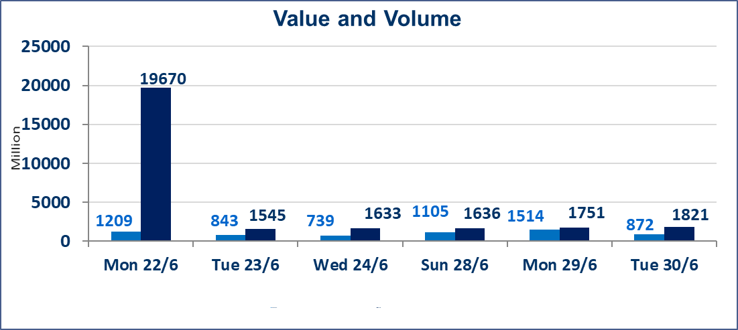
 | ISX Index 60 |  |  | 1019.39 | ISX Index 15 |  |  | 1273.79
 | Previous ISX Index60 |  |  | 1015.10 | Previous ISX Index15 |  |  | 1276.72
 | Change % |  |  | 0.42 | Change % |  |  | -0.23
 | Change |  |  | 4.29 | Change |  |  | -2.93

 | Listed Companies | 103 | OTC | 17 | Non Traded listed | 47 | OTC | 16
 | Traded Listed Companies | 43 | OTC | 1 | Higher Companies |  |  | 10
 | GAM Companies |  |  | 5 | Lower Companies |  |  | 16
 | Suspended Companies |  |  | 8
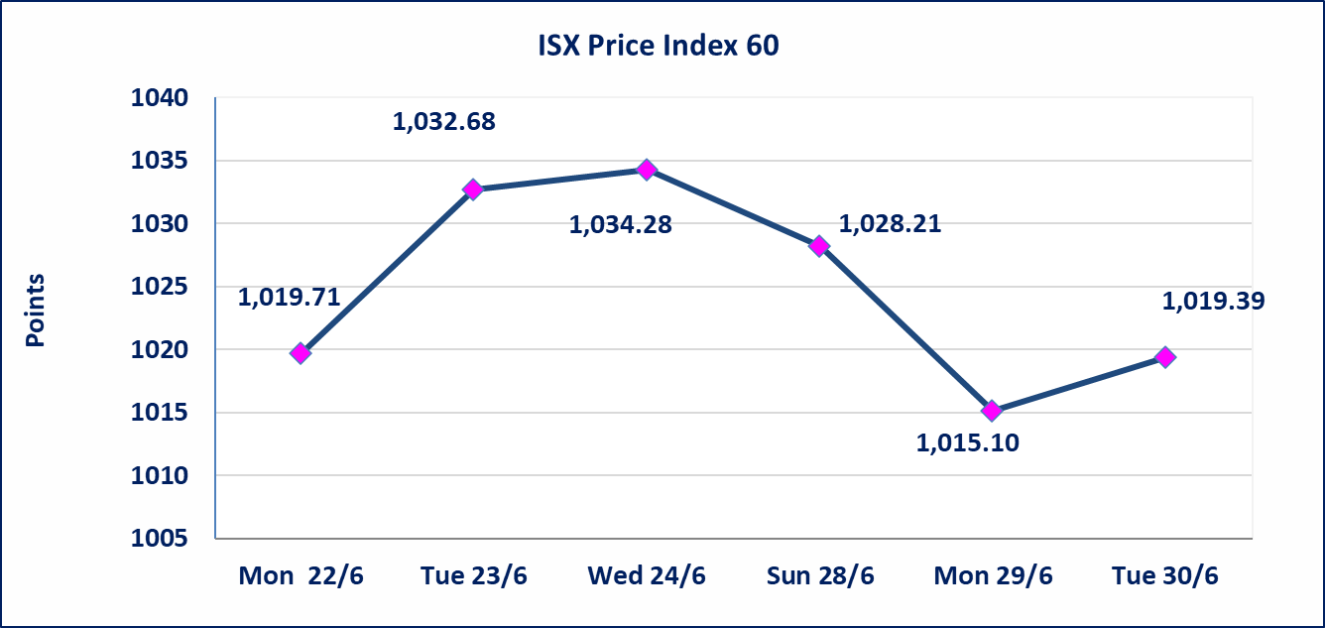
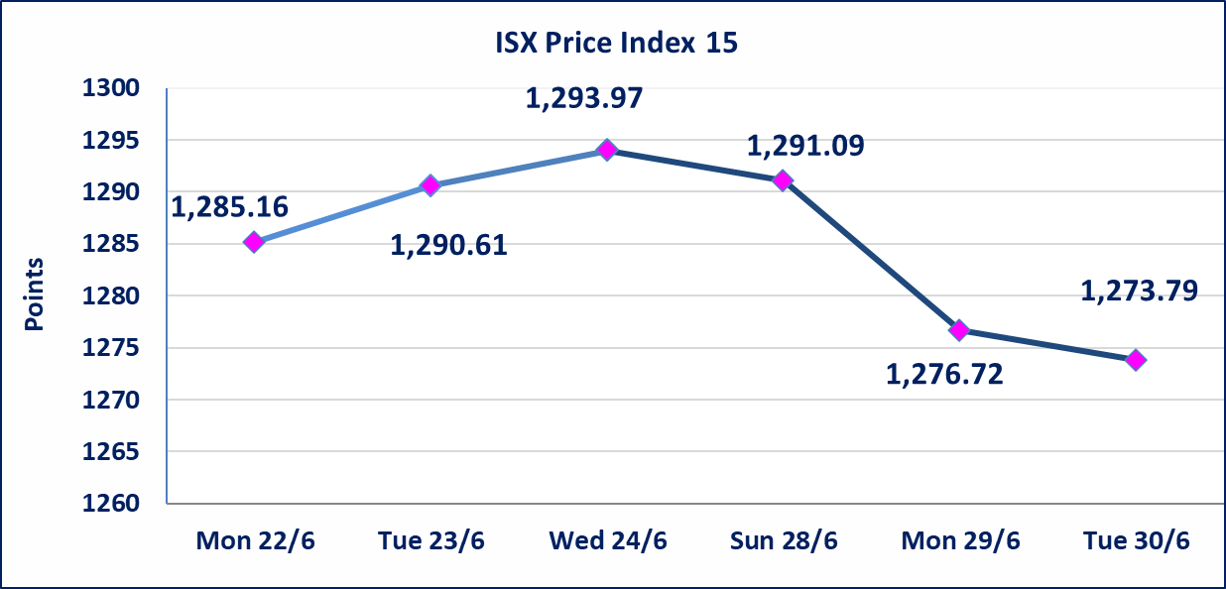

Al-Alwiya P.O . 3607 Mobile: 07711211522 - 07270094594 - 07834000034 E-mail: info-isx@isx-iq.net Web site:www.isx-iq.net

Top 5
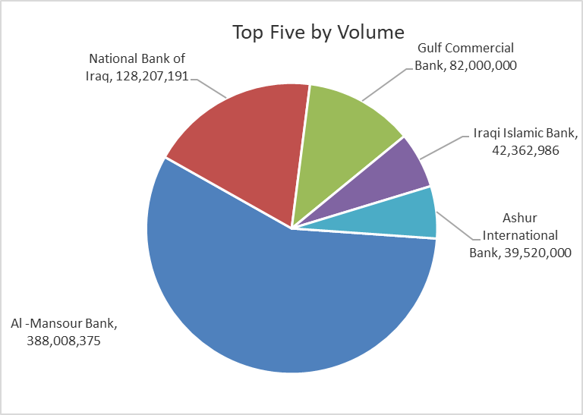
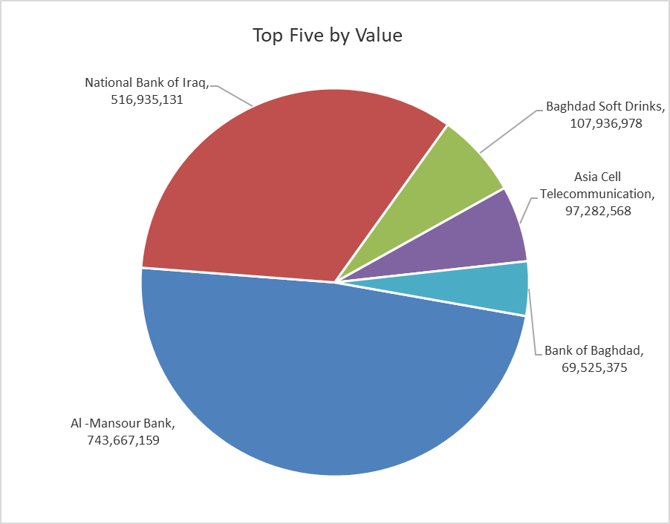

ISX top ganing and losing companies
Tuesday 30/6/2026
 | Gainers |  |  |  | Losers
 | Company Name | Closing Price | Change (%) | Traded Volume | Company Name | Closing Price | Change (%) | Traded Volume
 | Babil Animal & Vegetable Production | 8.790 | 13.42 | 100,000 | Middle East Bank | 0.080 | -11.11 | 26,343,528
 | Ashur International Bank | 0.330 | 6.45 | 39,520,000 | Al-Hilal Industries | 1.550 | -6.06 | 1,016,554
 | Investment Bank of Iraq | 0.340 | 6.25 | 39,050,252 | Al-Khatam Telecom | 3.750 | -3.35 | 2,038,665
 | Iraqi Islamic Bank | 1.120 | 3.70 | 42,362,986 | Fallujah for construction Materials | 2.770 | -2.81 | 500,000
 | Iraqi Carton Manufactories | 2.750 | 1.85 | 200 | AL-Badia for General Trans | 1.450 | -2.68 | 102,563
 | The most active companies in term of traded volume and value

 | Traded Volume |  |  |  | Traded Value
 | Company Name | Closing Price | Change (%) | Traded Volume | Company Name | Closing Price | Change (%) | Traded Value
 | Al -Mansour Bank | 1.920 | 0.52 | 388,008,375 | Al -Mansour Bank | 1.920 | 0.52 | 743,667,159
 | National Bank of Iraq | 4.060 | -0.25 | 128,207,191 | National Bank of Iraq | 4.060 | -0.25 | 516,935,131
 | Gulf Commercial Bank | 0.350 | 0.00 | 82,000,000 | Baghdad Soft Drinks | 6.670 | -0.15 | 107,936,978
 | Iraqi Islamic Bank | 1.120 | 3.70 | 42,362,986 | Asia Cell Telecommunication | 16.400 | -0.61 | 97,282,568
 | Ashur International Bank | 0.330 | 6.45 | 39,520,000 | Bank of Baghdad | 2.950 | 0.00 | 69,525,375

Non Iraqis

Iraq Stock Exchange
Non Iraqis' Bulletin Tuesday Jun 30 2026
Regular Market

Non Iraqi Trading of Regular Market (Buy)
Company Names | Code | No.of trades | Traded Shares | Trading Volume
Banks Sector
Bank Of Baghdad | BBOB | 10 | 4,644,827 | 13,685,240
Gulf Commercial Bank | BGUC | 2 | 25,000,000 | 8,750,000
Al-Mansour Bank | BMNS | 33 | 166,000,000 | 318,822,837
Total Bank sector |  | 45 | 195,644,827 | 341,258,077
Grand Total |  | 45 | 195,644,827 | 341,258,077

Non Iraqi Trading of Regular Market (Sell)
Company Names | Code | No.of trades | Traded Shares | Trading Volume
Banks Sector
National Bank Of Iraq | BNOI | 64 | 107,881,878 | 434,065,587
Total Bank sector |  | 64 | 107,881,878 | 434,065,587
Grand Total |  | 64 | 107,881,878 | 434,065,587

OTC

Iraq Stock Exchange

Tuesday 30/6/2026

OTC Platform Trading Bulletin No (112)
Company Name | Code | highest price | lowest price | Average price | No.of Trades | Traded Volume | Traded Value
Banks Sector
Al-Warka Bank | BWAI | 0.140 | 0.140 | 0.140 | 2 | 2,000,000 | 280,000
Total Of Money Service Sector |  |  |  |  | 2 | 2,000,000 | 280,000
Total |  |  |  |  | 2 | 2,000,000 | 280,000

Not Trading OTC Companies
Company Name |  |  | Code |  | Previous Average price
Banks Sector
Al-Sanam Islamic Bank |  |  | BSAN |  | 3.000
Hammurabi Commercial Bank |  |  | BHAM |  | ـــــــــــــــــــــــــــــــــــ
Industrial Sector
Kirkuk producing constructional materials |  |  | IKFP |  | 2.660
Money Service Sector
Rabee Securities |  |  | FRSE |  | 9.050
Karmal Brokerage |  |  | FKSX |  | 10.000
Iraqi Deposit Insurance Corporation |  |  | FIDI |  | 1.000
Ishtar Gate for e-Paymant |  |  | FISH |  | 1.000
Sama Baghdad Exchange |  |  | FSBE |  | ـــــــــــــــــــــــــــــــــــ
Insurance Sector
Zain lnsurance Company |  |  | NZA |  | ـــــــــــــــــــــــــــــــــــ
Dar Altheqa Insurance Company |  |  | NDAR |  | ـــــــــــــــــــــــــــــــــــ
Almaseer lnsurance Company |  |  | NMAS |  | ـــــــــــــــــــــــــــــــــــ
Shatt Al Arab Insurance |  |  | NSHA |  | 1.000
Al Badia Insurance |  |  | NBAD |  | ـــــــــــــــــــــــــــــــــــ
Kurdistan Insurance |  |  | NKUI |  | 0.500
Elaf Insurance |  |  | NELF |  | ـــــــــــــــــــــــــــــــــــ
Dilina Insurance Company |  |  | NDIL |  | ـــــــــــــــــــــــــــــــــــ

Not Trading Bonds

Iraq Stock Exchange
Tuesday 30/6/2026
Not Trading Bonds Bulletin
Bond type | Publish type | Code | last trading price | immortilize date
Banaa Bonds /Million ID | Second | CB20 | 964,981 | 19/12/2025
Eamar Bonds /Million ID | First | CB30 | 1,001,095 | ــــــــــــــــ
Eamar Bonds /Million ID | Second | CB40 | ــــــــــــــــ | ــــــــــــــــ
Eamar Bonds /500 Thousand ID | Third | CB45 | ــــــــــــــــ | ــــــــــــــــ
Eamar Bonds /Million ID | Third | CB50 | ــــــــــــــــ | ــــــــــــــــ
Injaz Bonds /500 Thousand ID | First | CB55 | ــــــــــــــــ | ــــــــــــــــ
Injaz Bonds /Million ID | First | CB60 | 951,110 | ــــــــــــــــ
Injaz Bonds /500 Thousand ID | Second | CB65 | 511,000
Injaz Bonds /Million ID | Second | CB70 | 965,050 | ــــــــــــــــ
Injaz Bonds /500 Thousand ID | Third | CB75 | ــــــــــــــــ | ــــــــــــــــ
Injaz Bonds /Million ID | Third | CB80 | 978,182 | ــــــــــــــــ
National Bonds/Million ID | First | CB90 | ــــــــــــــــ | ــــــــــــــــ
National Bonds/500 Thousand ID | Second | CB95 | ــــــــــــــــ | ــــــــــــــــ
National Bonds/Million ID | Second | CB100 | ــــــــــــــــ | ــــــــــــــــ

